Sheet1
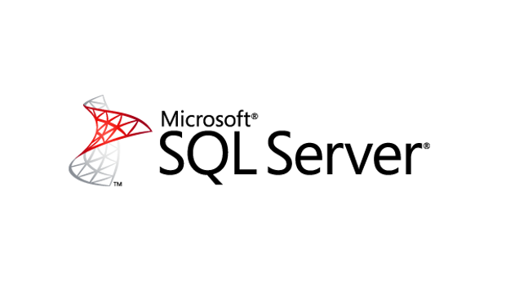
 |  | Backup/Restore Testing

 | Client

Date Actioned | Date to be Restored | Sever | Description | Folders | Backup Software | Result

 | Technician

 | Signiture

